Auth - UIComposer - Project
 | AUTOMATED STEPS
 | Sanity Check UIComposer + Project

 | STEPS DESCRIPTION TO EXECUTE THE SANITY TEST
# | Step | Expected Results
1 | Log or Sign up to Norman
2 | Create a Project
 | click on Projects
 | New Project
 | Set Projet name : 'My Project 1 for example
 | Open the Project |  | 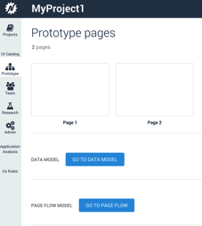
3 | Click on Page 1
 |  | Default UIComposer should be displayed
 |  | OpenUI5 library should be displayed per default in the left Pane
 |  | Controls should be displayed inthe Left pane
 |  | Tree view displayed with default selected is Page1

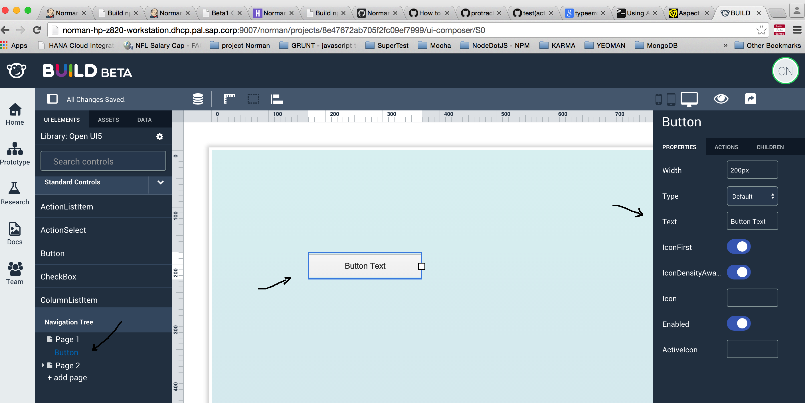
 |  |  | 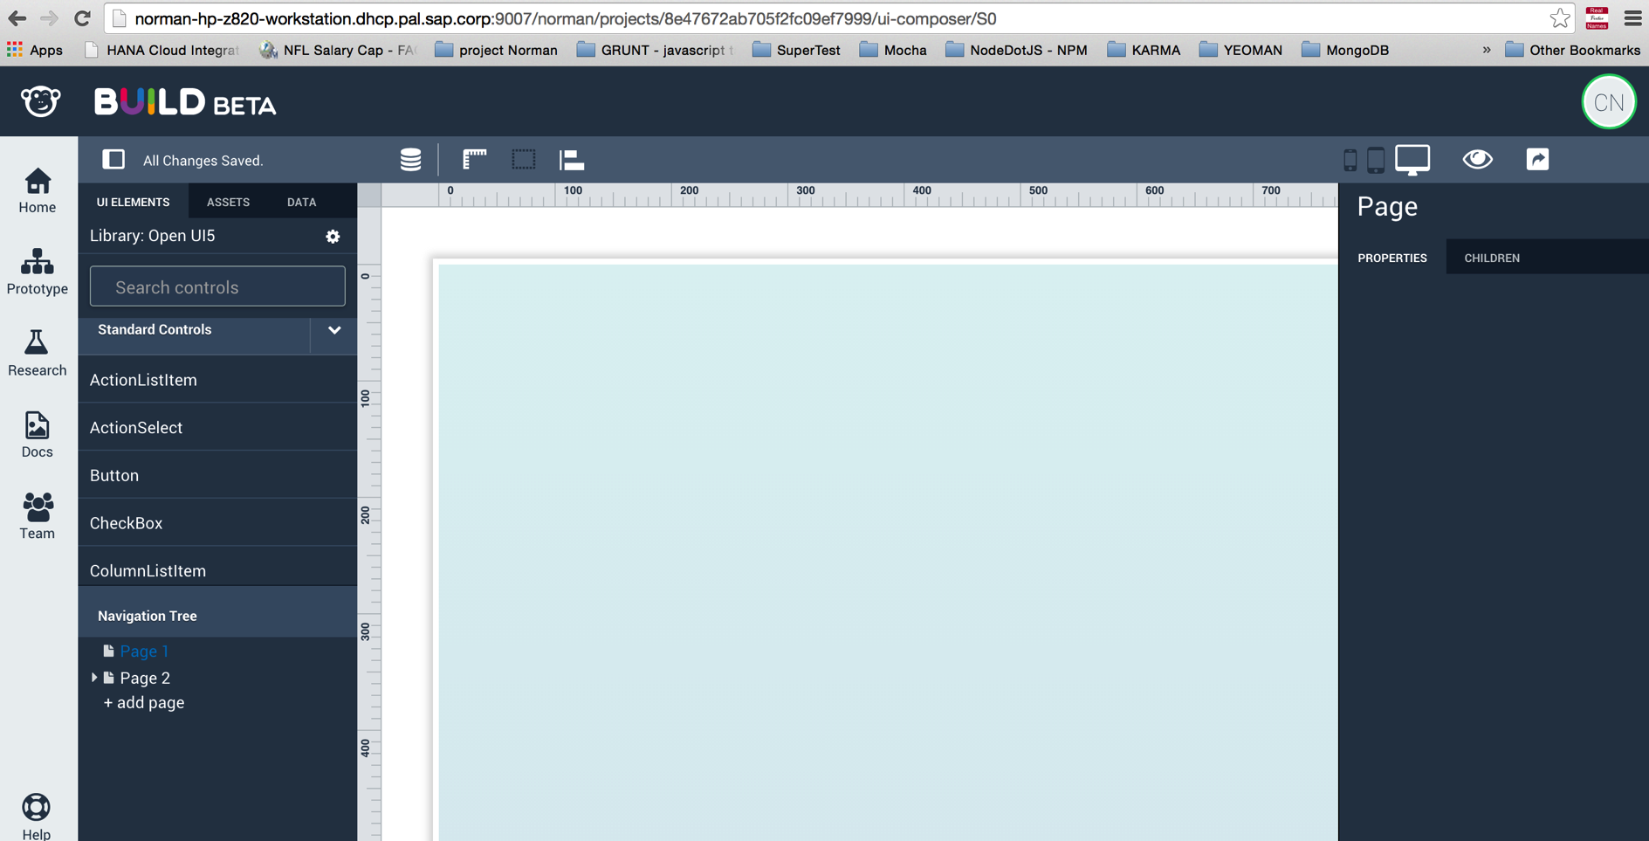
4 | Drag and drop a control
 | Drag and drop a Button control from the OpenUI5 control list on the right side | Button should appear in the Canvas
 |  | Tree view has Button control displayed under page 1
 |  | Properties panel on the right side displayed

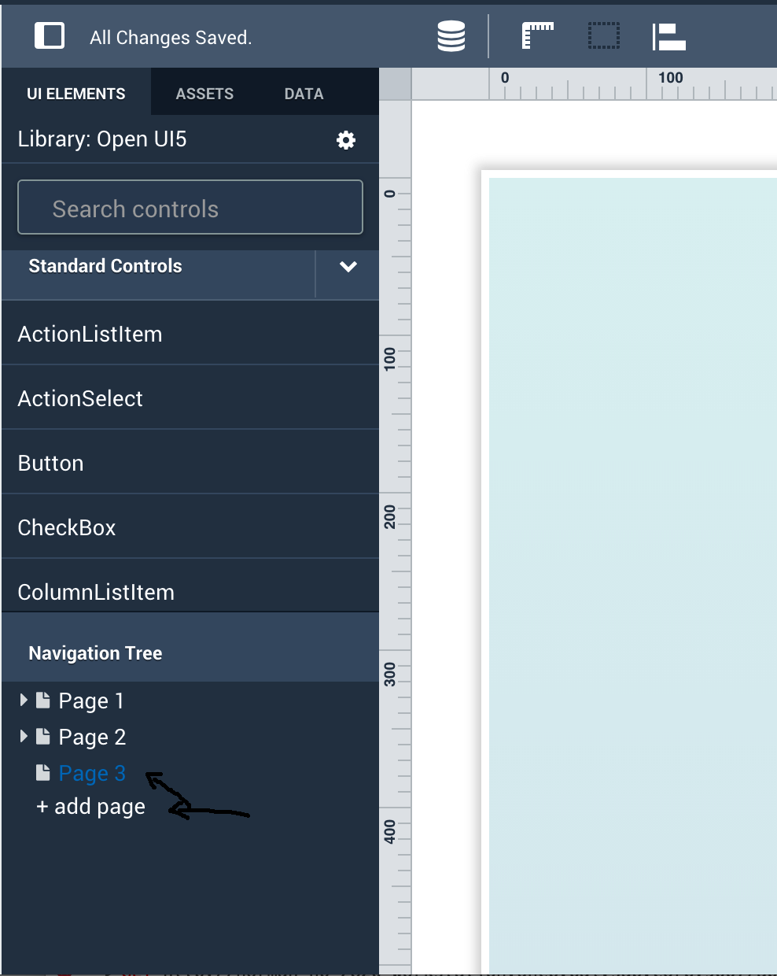
5 | Add a new Page
 | Click plus button (+) on to add a new page | A new page should displayed
 |  | The Canvas should be empty
 |  | New page displayed in tree view that is same level with other pages
 |  | New page is selected

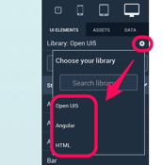
6 | Change UI Library (Not applicable for now)
 | Click on setting gear icon next to Library | Check the list of display UI library (show UICatlog integration)

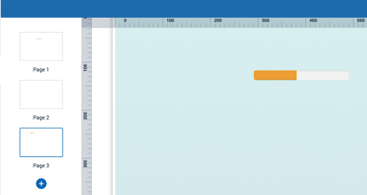
 | select 'Angular' option | Check the list of control is updated
 |  |  | 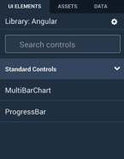
7 | Add an Angular control (Not applicable for now)
 | Drag and drop ProgressBar in new page | verify ProgressBar displayed in page3

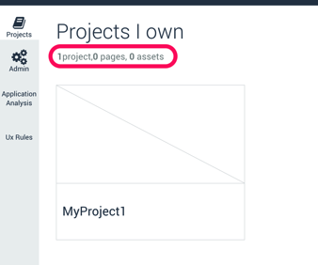
8 | Return to Project
 | Click Projects menu from left pane | Verify project name (MyProject1) displayed correctly
 |  | Verify Projects page displayed 1 projects, 3 pages, 0 assets

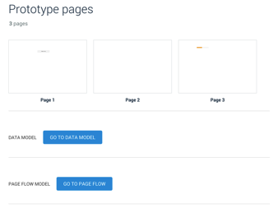
9 | Open Project
 | Click on MyProject1 | Verify three pages are displayed
 |  | The controls added in step 4 should be displayed

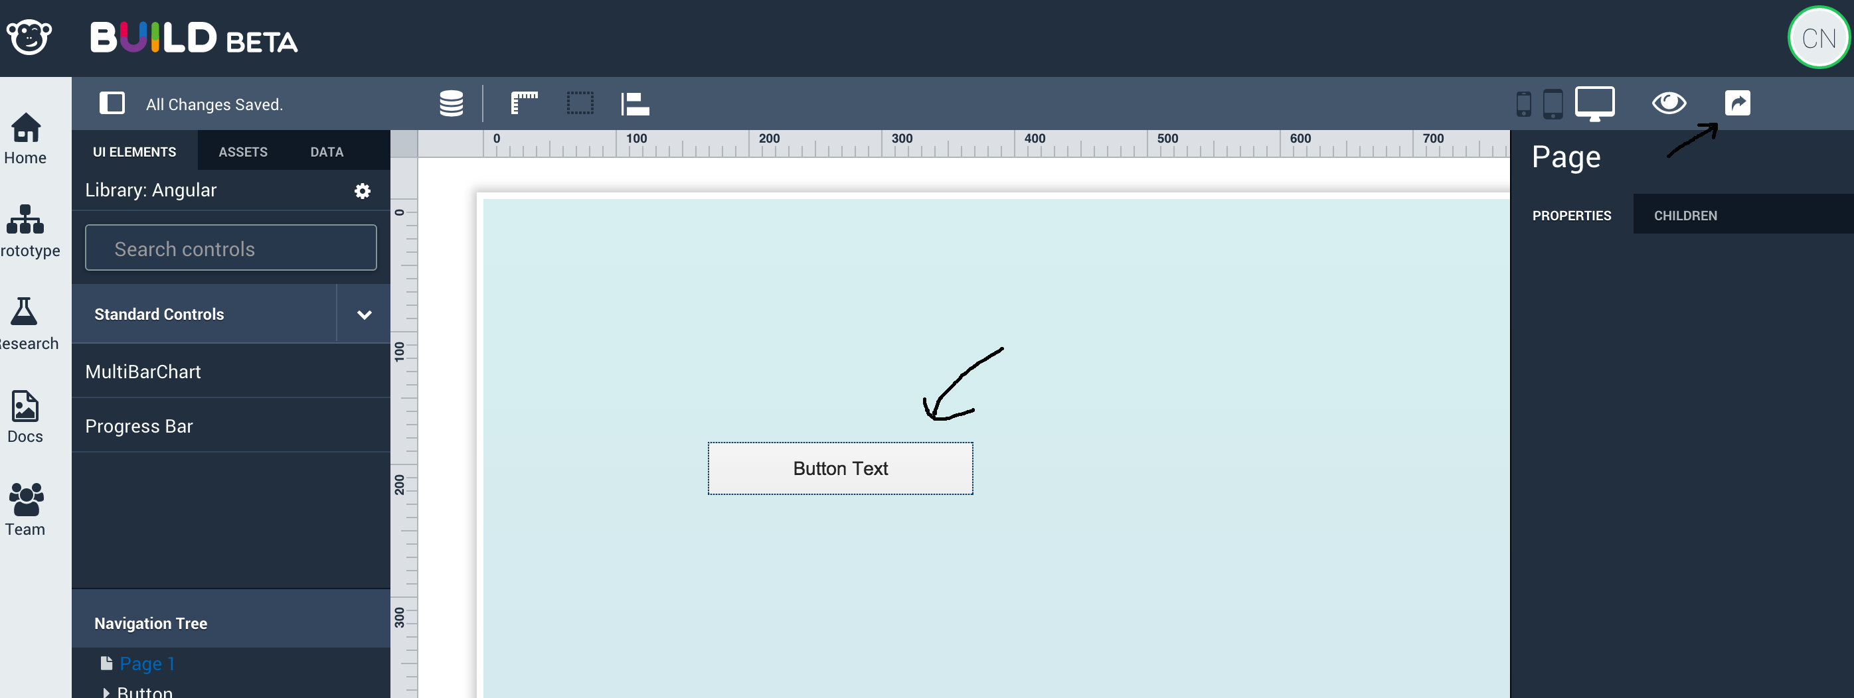
10 | Take a Snapshot
 | Click on Page 1 | The controls added in step 4 should be displayed

 | Click camera icon from top blue bar to save a snapshot | Verify message displayed saying snapshot is save successfully
 |  |  | 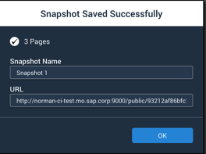
11 | Add team member
 | Select Team in the Left Pane
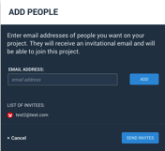
 | Click on "Add People" buton | Add People pop p should be displayed

 | Invite a user P2
 | Add user's email address (example: test2@test.com)
 | Select Invite | Project home screen should be displayed
 |  | Invitation should be sent
 |  | Pending invitation should be up too date

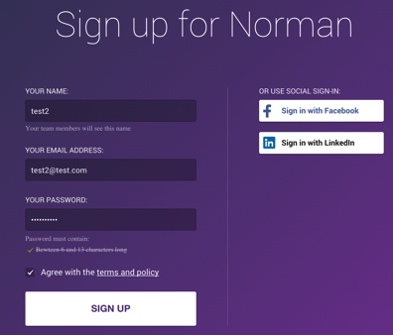
 |  |  | 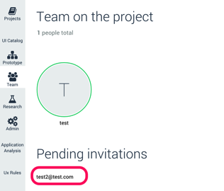
12 | log or signup as user P2
 | Log with user P2 (works with Social sing-in as long as the email address used is theone defeined in previou step)

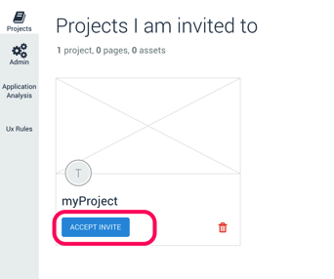
11 | Accept Invitation
 | Select Project in the Left Pane | Pending invitation should be displayed

 | Accept invitation | Project screen should be updated

 |  |  | 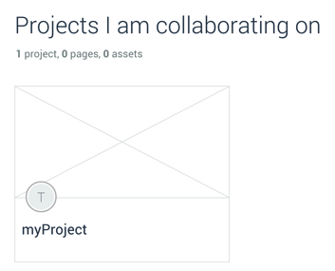
12 | Check Project
 | Open Project | Check its content is in sync with step 8

DataModeler DataSample Server
 | AUTOMATED STEPS
 | DataModeler/Sample DataServer SANITY CHECK

 | 1 Create a Project with xls option
 | 2 Update Data Model with import xls option
 | 3 Run Prototype

 | STEPS DESCRIPTION TO EXECUTE THE SANITY TEST
# | Step | Expected Results
1 | Log on Norman
2 | Create a Project with xls option
 | click on Projects
 | New Project
 | Set project Title: TESTPROJECTXLS, enter
 | Open the project: Click on TESTPROJECTXLS
 | Click on Go to Data Model button
 | On Create a Data Model Window click on import | Check windows to choose xls file appears
 | Select File to upload Sales Order Data model.xlsx file | Check canvas appears with these entities and these relations

 | Select SalesOrder entity
 | In the right panel in properties tab check Salesorder has the following properties | Check SalesOrder properties | Check SalesOrderItem properties | Check Product properties
 | Select SalesOrderItem entity
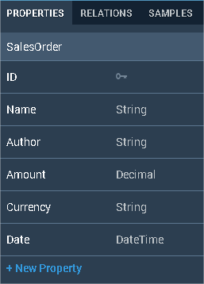
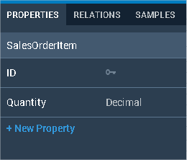
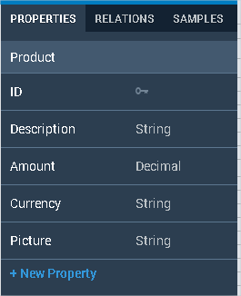
 | In the right panel in properties tab check SalesorderItem has the following properties
 | Select product entity
 | In the right panel in properties tab check Product has the following properties

3 | Delete 'SalesOrderItem' Entity in Data Model
 | Delete Product entity: Select SalesOderItem click on cross icon. | Check Product disappears of canvas

4 | ReCreate 'SalesOrderItem' manually
 | Create a new manual Entity

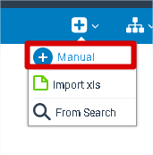

 | Name it 'SalesOderItem' and validate it

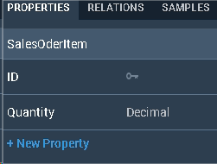
 | Create manual property
 | Select SalerOrderItem and on right panel click in '+ New Property'
 | Create property named 'Quantity' with 'Decimal' type
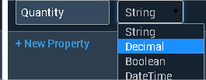

5 | Add Navigation Properties
 | Trace a navigation property between 'SalesOrder' and 'SalesOrderItem'
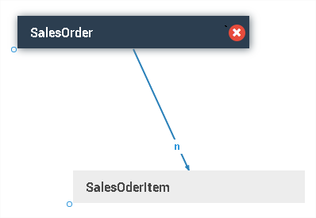

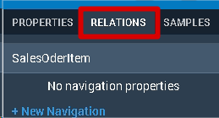
 | Create a navigation property manualy
 | Select 'SalesOrderItem' and select Reletions Tab in right panel

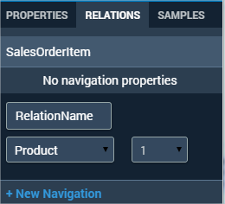
 | Relation Name: RelationName To: Product Relation Type: 1

 | Expected Data Model lik that

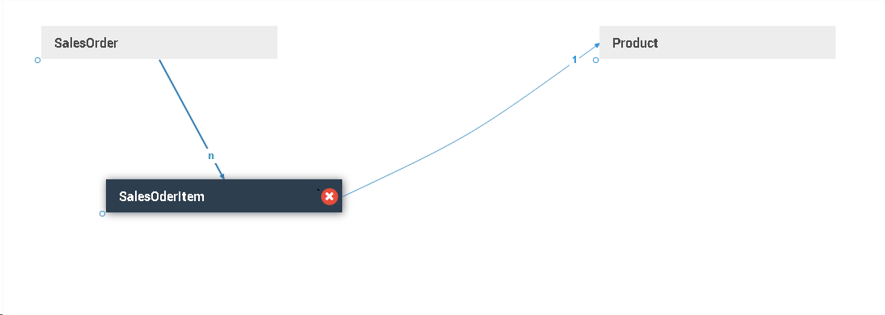

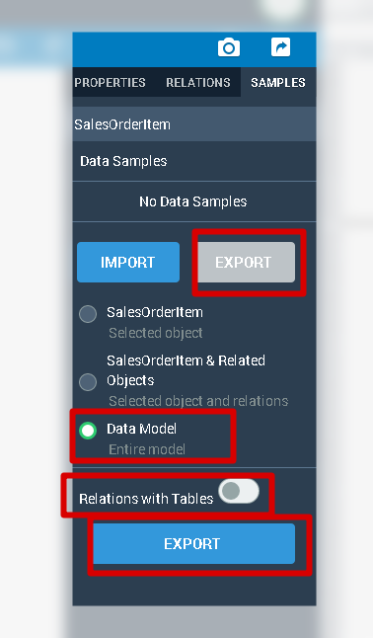
6 | Export DataModel

 | On the right panel open 'Samples' tab
 | Select Export
 | Full DataModel
 | Without 'Relations with Tables'
 | And click on export

 | Open excel file downloaded and it should be like that

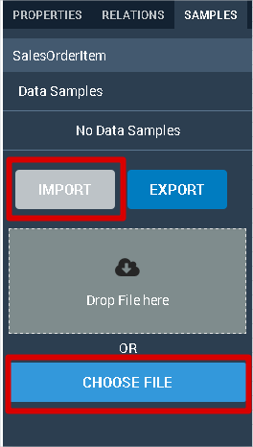
7 | Import Sample Data
 | On the right panel open 'Samples' tab
 | Select Import
 | Click on 'Choose File' and select Sales Order Data model.xlsx file
 |  |  | No error expected

UserResearch
 | AUTOMATED STEPS
 | Sanity Test User Research

 | STEPS DESCRIPTION TO EXECUTE THE SANITY TEST
# | Step | Expected Results
1 | Log or Sign up to Norman
2 | Create a Project
 | click on Projects
 | New Project |  | 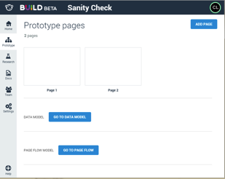
 | Select Research in the Left pane | Check Resarch home page
 |  | 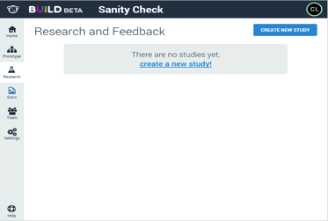
3 | Create a Study on Static Images
 | Select" Create New Study" | Study cretion popup should be displayed
 | Fill up Study Name and description

 |  | 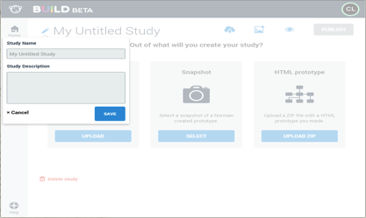
 | Save study | Checl Study screen

 |  |  | 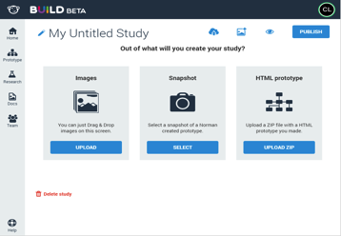
4 | Drag and drop a screenshot
 | Select Upload on Images Tile | Select Assets Dialog should open.
 |  | 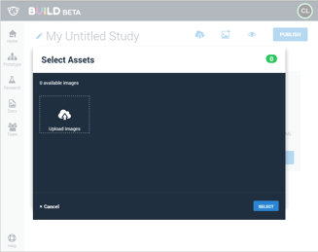
 | Drag some images on to the dialog | The images should be uploaded and selected
 |  |  | 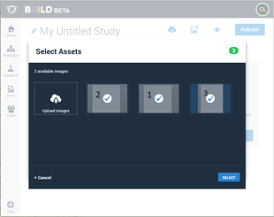
 | Click Select to close the dialog | The selected images should appear on the study.
 |  |  | 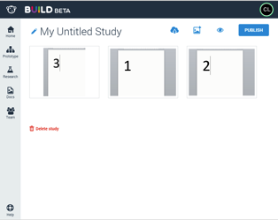

5 | Add a question
 | Click on an uploaded screenshot
 | Add a question and save. |  | 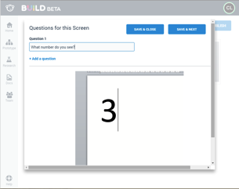
 | (Repeat for all screens uploaded)

6 | Publisn Study
 | Select the Publish button | Confirmation screen should be displayed
 |  |  | 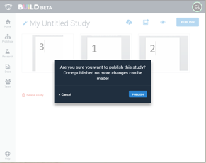

 | Confirm the Study publication | Publication confirmation should be displayed

 |  |  | 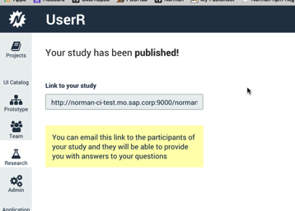
 | Copy the Study URL

7 | Open a new browser instance
 | Navigate to the Study URL (http://<myServer>/norman/projects/<Project ID>/research/participant/<Study ID2>) | Login in screen shoule be displayed
 | Login or sign-up with a different user from previous steps | Study participant home screen should be displayed
 |  |  | 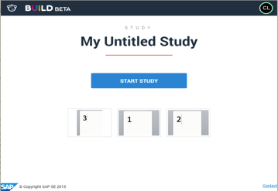

8 | Start Study
 | Select Start Study | The first question should open
 | Add a comment and validate

 |  |  | 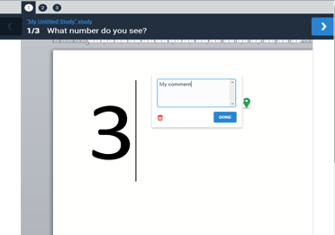
 | If there are multiple questions in the study: | There should be tabs on the top to navigate
 | Click on the tabs to go to the lasy question | The last question should appear
 | Select the Done button | Participant home screen should be displayed
 |  | Screens with ansers should appear as with a green tick.

 |  |  | 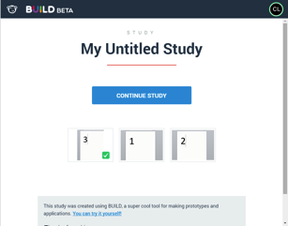
 | Create a Study on HTML Prototype
 | Go back to User Research and create a new study | Study cretion popup should be displayed
 | Enter name and description and click Save. | Should show screen with options to create study.
 | Select Upload Zip on HTML Prototype Tile. | Upload Zip dialog should open.
 |  |  | 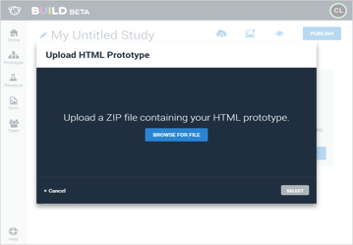
 | Click Browser for file | File explorer should open
 | Select GLLinItems.zip (download from Jam here: https://jam4.sapjam.com/groups/60qDosrRAVDTLeeirVt451/content?folder_id=HuhlwTf9pwlyZHuNTugZ6J ) | Processing dialog should appear until upload is complete
 |  |  | 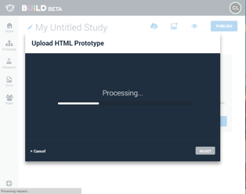
 | Wait until Processing is complete | Screen thumbnails should appear in the dialog
 |  | 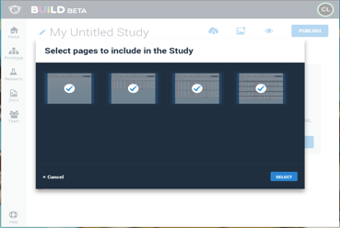
 | Click Select | The selected images should appear on the study.
 | Add Questions to each of the screens and Click Publish. | Confirmation screen should be displayed
 | Confirm and click publish on dialog | Publication confirmation should be displayed

 | Particpate in HTML Prototype Study

 | Open participant url in a new window | There should be thumbnails for each screen.
 |  |  | 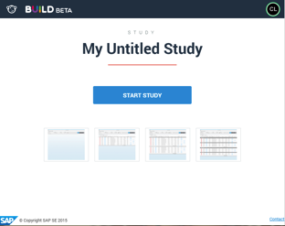

 | Click on a thumbnail | The screen for that thubmnail should load.
 | Select Feedback mode and click on the screem. | An annotation should appear and comment box open.
 | Select Interactive Mode and click on the screen. | It should be interactive.

 | Create a Study on Norman Prototype

 | Go back to User Research and create a new study | Study cretion popup should be displayed
 | Enter name and description and click Save. | Should show screen with options to create study.
 | Click Select on Snapshot Tile. | Select snapshot dialog should open.
 |  | The list of snapshots should show thumbnails of the pages. | 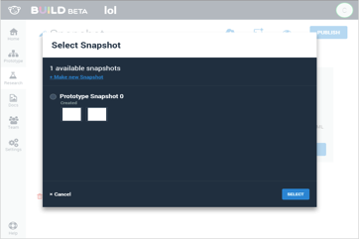
 | Select a snapshot or make a new snaphot and select. | The thubnails of the prototype should appear on the study.
 | Click on a thubnail. | The prototype page should open in the question editor.
 | Add Questions to each of the screens and Click Publish. | Confirmation screen should be displayed
 | Confirm and click publish on dialog | Publication confirmation should be displayed

 | Particpate in Norman Prototype Study

 | Open participant url in a new window | There should be thumbnails for each screen.
 |  |  | 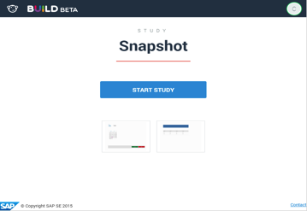
 | Click on a thumbnail | The page for that thubmnail should load.
 | Select Feedback mode and click on the screem. | An annotation should appear and comment box open.
 | Select Interactive Mode and click on the screen. | It should be interactive.

Binding With Drag&Drop
 | MANUAL STEPS
 | Sanity Test Data binding with Drag&Drop

 | STEPS DESCRIPTION TO EXECUTE THE SANITY TEST
# | Step | Expected Results
1 | login
2 | create new project
3 | got to DATAMODEL | 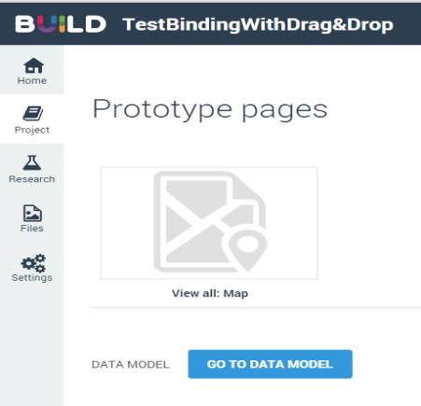
4 | click on Import to import SalesOrder.xlsx file
5 | click on the prototype pages button
6 | click on Add blank page button, then double click on Page 1
 | Drag & Drop of Properties
 | Drop a List in the canvas | Go to DATA Tab Expand SalesOrder | Drag&Drop ID on Item1 The entity SalesOrder has been bound to the list. Check that the list Item property "Title" has been bound to ID Check it is also the case for all other list items. Check the autobinding has not been done. | Then Drag&Drop Name on Intro: Check that Name has been bound into Intro
7 | 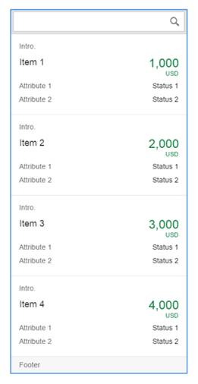 | 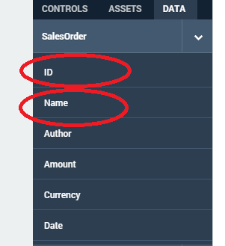 |  
 | Expand SalesOrderItem Drag&Drop ID on Attribute1 | Check that attributes are bound to SalesOrderItem
 |  | 

 | Drag & Drop of Objects/Entities
 | Add an ew page Drop a list in the canvas | Go To DATA Tab Select the Entity SalesOrderItem Drag it to the first element of the list | Check the autobinding has been done. Check The list items are bound with SalesOrderItem. Check all properties have been bound if possible. Check that Autobinding works on properties and not on aggregation | Select the first list Item with the mouse right click. Check that data on the list corresponds to the combo selection on the left property panel Check the binding of properties has been done.
10 |  |  |  | 
 | In DATA tab, Go To Product and expand it Drag & drop Product ID into Status1 Drag & DropProduct Currency into Attribute1 | Check that Product ID has been bound to Status1 | Check that Product Currency has been bound to Attribute1

 |  |  | 

SmartTemplate
 | MANUAL STEPS

1 | Log to ADMIN CONSOLE
 | log to admin with administrator user
 | to be able to see the UICatalogs icon on the admin console. update Admin/server/config/features.json put "Enabled:"TRUE(: STEP explain in prerequisite sheet)
 | click in UI Catalog Menu
 | click on Upload icon

 | select Type SAPUI5
 | Set version 1.30.1
 | click on Select and Upload button
 | select dev2.zip and click on Open
 | when uploading is finished, click on close
 | logout of admin console

2 | Log to BUILD
2.1 | login
2.2 | create new project
2.3 | open the project and click on Go to the Data Model
2.4 | Click on Import: select the file SmarTemplate demo data.xlsx, and open it | Check data model appears in the canvas
2.5 | click on prototype page icon

2.6 | Click on add page | check 3 pages appear: Blank Page, ObjectPage, ListReport
2.7 | select List report
3 | In List report page

3,1 | double click on the new page to open it
3,2 | In Outline part, select page1
3,3 | Select a main entity: "SalesOrder"
3,4 | in the properties panel, at the children level, add a smartFilterBar
3,5 | In OUTLINE part Select smartFilterBar
3,6 | in the properties panel, at the children level, Add Filter
3,7 | In Outline part select the Filter element
3,8 | In properties part click on binding icon to bind Filter with Name
3,9 | In Outline part, select page1
3,10 | in the properties panel, Add table
3,11 | In outline part select Table
3,12 | in the properties part under Children panel Add 3 columns
3,13 | In outline part select Column
3,14 | for first column set Title: ID and bind Value ID
3,15 | for second column set Title: Name and bind Value Name
3,16 | for Third column set Title:Status and bind Value Status

3,17 | Click on Preview

3,18 | Click on go | Check data appears in the table


3,19 | Click on Editor

3,20 | click on

 | click on add page
3,21 | check 2 pages appear: ObjectPage, ListReport
3,22 | Select Object page
4 | In Object Page
4,1 | double click on page 2 to open Object Page
4,2 | Check in outline part page 2 is selected
4,3 | In DATA part Select Main Entity: SalesOrder
4,4 | Add ObjectPageHeaders
4,5 | In OUTLINE part select ObjectPageheaders
4,6 | In properties page do a binding on
4,7 | Title: ID
4,8 | description:Name
4,9 | headerBarText:Status

5 | Preview and Navigation
5,1 | In outline part
5,2 | select page 1
5,3 | click on Preview
5,4 | click on Go
5,5 | select the first line of the table | check you navigate on the page2
5,6 | click on back
5,7 | select the first line of the table | check you navigate on the page2, and hearder information are updated

Admin
 | Sanity Check UIComposer + Project

 | STEPS DESCRIPTION TO EXECUTE THE SANITY TEST
# | Step | Expected Results
1 | Log In
2 | Enter an email address without password | An error appears | 
3 | Enter an wrong email address with password | An error appears | 
4 | Enter your email address and your password | you are connected
 |  | You see this page : | 
5 | Check that the tab is selected, you see users, the help…
6 | Help & Provacy statement
7 | Click on 'Help' | A pdf is opened in an other tab |  
8 | Click on 'Privacy statement' | The 'Privacy statement' is opened in a new tab | 
9 | Click on 'Back' | The 'Users' tab appears

Admin_Users List
 | Sanity Check Users List

 | STEPS DESCRIPTION TO EXECUTE THE SANITY TEST
# | Step | Expected Results
1 | Search
2 | Type 'Pete' | Pete Sampras appears | 
3 | Type 'dddd' | no user
4 | Clear the search clicking on the cross | the users appears | 
5 | Users List
6 | Click on the icon detail | the users appears with users details
 |  | Check that the name, the role and the address mail appear | 
7 | Play with the pagination | Check that the pagination works well
8 | User Role
9 | Search 'Pete Sampras'
10 | Click on 'Pete Sampras' user | the 'Set Role' appears | 
11 | Select 'Guest' role | the 'guest' is selected.
12 | Click on 'OK' | The 'Guest' role appears in the details user | 

Admin_Audit
 | Sanity Check Users List

 | STEPS DESCRIPTION TO EXECUTE THE SANITY TEST
# | Step | Expected Results
1 | Audit
2 | Go to the 'Audit' tab | The 'Audit' page appears | 
3 | Select 'Last 24 Hours' and click on 'Download' | The file is downloaded | 
4 | Open the file downloaded file | Check the data
5 | Select 'Custom' | The custom button is selected
6 | Select start date : an old date
7 | Select end date : an old date
8 | Click on 'Download' | An error message appears | 

